Word Count
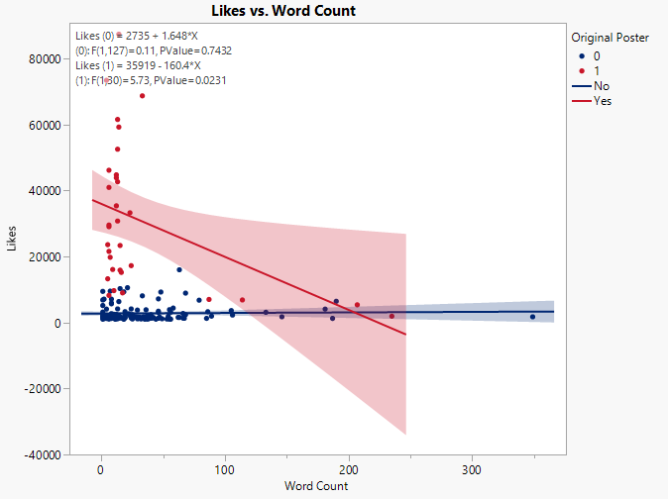
Likes | Is OG | Word Count | Porportion
23342 | 1 | 15 | 0.066666666667
1333 | 0 | 14 | 0.071428571429
1282 | 0 | 67 | 0
1355 | 0 | 40 | 0.025
3100 | 0 | 46 | 0.086956521739
1969 | 0 | 37 | 0.027027027027
1285 | 0 | 46 | 0.065217391304
16063 | 1 | 9 | 0
1032 | 0 | 37 | 0.027027027027
1932 | 0 | 89 | 0
1897 | 0 | 54 | 0
73362 | 1 | 4 | 0
1145 | 0 | 12 | 0
4121 | 0 | 24 | 0
1058 | 0 | 53 | 0.037735849057
29031 | 1 | 6 | 0
1807 | 0 | 27 | 0.037037037037
44733 | 1 | 12 | 0
1539 | 0 | 16 | 0
4074 | 0 | 181 | 0.0055248618785
1734 | 0 | 5 | 0
1019 | 0 | 56 | 0.017857142857
1916 | 1 | 235 | 0.012765957447
1376 | 0 | 10 | 0
1230 | 0 | 30 | 0
1409 | 0 | 19 | 0.052631578947
1007 | 0 | 18 | 0
1017 | 0 | 1 | 0
1628 | 0 | 31 | 0
30740 | 1 | 13 | 0
1266 | 0 | 30 | 0
1126 | 0 | 49 | 0
1379 | 0 | 2 | 0
9656 | 1 | 10 | 0
1333 | 0 | 8 | 0
46136 | 1 | 6 | 0
1563 | 0 | 62 | 0
3623 | 0 | 105 | 0.0095238095238
52495 | 1 | 13 | 0
1717 | 0 | 29 | 0.034482758621
7090 | 0 | 2 | 0
1751 | 0 | 7 | 0
1226 | 0 | 38 | 0
6350 | 0 | 14 | 0
2249 | 0 | 4 | 0
1238 | 0 | 4 | 0.25
40917 | 1 | 6 | 0
1037 | 0 | 6 | 0
33232 | 1 | 23 | 0
7091 | 0 | 8 | 0
9298 | 0 | 18 | 0
2367 | 0 | 40 | 0
5661 | 0 | 8 | 0
1655 | 0 | 28 | 0
29530 | 1 | 6 | 0
1571 | 0 | 41 | 0.024390243902
3294 | 0 | 19 | 0
2127 | 0 | 19 | 0
1712 | 0 | 36 | 0.055555555556
1155 | 0 | 13 | 0
2260 | 0 | 106 | 0.018867924528
6993 | 1 | 87 | 0.011494252874
1463 | 0 | 40 | 0
1259 | 0 | 85 | 0
68658 | 1 | 33 | 0
1490 | 0 | 13 | 0.076923076923
4133 | 0 | 13 | 0
10280 | 0 | 15 | 0
2267 | 0 | 1 | 0
1204 | 0 | 11 | 0
19763 | 1 | 7 | 0.14285714286
1523 | 0 | 1 | 0
43828 | 1 | 12 | 0.083333333333
2118 | 0 | 23 | 0.04347826087
3858 | 0 | 36 | 0
35349 | 1 | 12 | 0.083333333333
1662 | 0 | 47 | 0.021276595745
87332 | 1 | 14 | 0
1452 | 0 | 11 | 0
9506 | 0 | 7 | 0
1015 | 0 | 35 | 0.028571428571
1598 | 0 | 19 | 0.052631578947
6833 | 0 | 1 | 0
1743 | 0 | 34 | 0
17234 | 1 | 24 | 0.041666666667
1517 | 0 | 42 | 0.02380952381
4383 | 0 | 58 | 0.051724137931
42623 | 1 | 13 | 0
3093 | 0 | 133 | 0.022556390977
6435 | 0 | 190 | 0.021052631579
2095 | 0 | 14 | 0
1162 | 0 | 29 | 0.034482758621
3139 | 0 | 56 | 0.017857142857
59205 | 1 | 14 | 0
2736 | 0 | 66 | 0
1796 | 0 | 3 | 0
5917 | 0 | 8 | 0
1015 | 0 | 11 | 0
6768 | 0 | 79 | 0.012658227848
1248 | 0 | 187 | 0.016042780749
3429 | 0 | 46 | 0.021739130435
2383 | 0 | 68 | 0
1103 | 0 | 32 | 0.09375
8905 | 0 | 68 | 0.014705882353
1336 | 0 | 66 | 0.015151515152
3162 | 0 | 1 | 0
1540 | 0 | 63 | 0.047619047619
2361 | 0 | 25 | 0
9438 | 0 | 1 | 0
2485 | 0 | 10 | 0.1
1131 | 0 | 38 | 0
1030 | 0 | 44 | 0.045454545455
3276 | 0 | 86 | 0.03488372093
8081 | 0 | 33 | 0.030303030303
15974 | 0 | 63 | 0.015873015873
8224 | 1 | 6 | 0
1768 | 0 | 10 | 0.1
23585 | 1 | 5 | 0
1733 | 0 | 146 | 0
3897 | 0 | 55 | 0.072727272727
1326 | 0 | 39 | 0.025641025641
61511 | 1 | 13 | 0
1613 | 0 | 40 | 0.025
1728 | 0 | 13 | 0
9240 | 0 | 48 | 0
2481 | 0 | 12 | 0
1099 | 0 | 18 | 0
1846 | 0 | 1 | 0
7170 | 0 | 46 | 0
1361 | 0 | 41 | 0
2308 | 0 | 24 | 0
1134 | 0 | 18 | 0
2657 | 0 | 22 | 0.045454545455
13245 | 1 | 5 | 0.2
1085 | 0 | 25 | 0.04
1733 | 0 | 349 | 0.0085959885387
1191 | 0 | 13 | 0
4071 | 0 | 4 | 0.25
15859 | 1 | 15 | 0
1704 | 0 | 3 | 0
15197 | 1 | 16 | 0.0625
1358 | 0 | 16 | 0
1463 | 0 | 13 | 0
21554 | 1 | 6 | 0
1572 | 0 | 2 | 0
5366 | 1 | 207 | 0.0048309178744
2692 | 0 | 8 | 0
6833 | 1 | 114 | 0.0087719298246
1383 | 0 | 24 | 0.041666666667
1090 | 0 | 1 | 0
1168 | 0 | 18 | 0
8993 | 1 | 17 | 0
1244 | 0 | 8 | 0.125
5151 | 0 | 1 | 0
1196 | 0 | 2 | 0
1575 | 0 | 9 | 0
1695 | 0 | 13 | 0
3771 | 0 | 29 | 0
10550 | 0 | 21 | 0
1620 | 0 | 14 | 0
1047 | 0 | 55 | 0.054545454545

Sentiment
Likes | Sentiment | Is OG | Total Comments |  |  |  |  |  |  | p-value
1932 | Negative | 0 | 0 | Negative | Neutral | Positive | Very Negative | Very Positive | Negative vs. Very negative | 0.18171143189
1897 | Negative | 0 | 0 | 1932 | 4121 | 1409 | 23342 | 1355 | Negative vs. Very postive | 2.06E-01
1807 | Negative | 0 | 0 | 1897 | 1058 | 1751 | 1333 | 1376
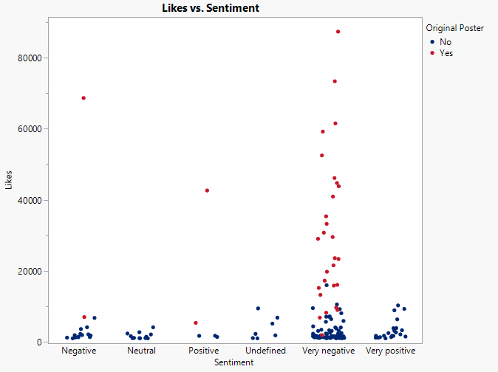
3623 | Negative | 0 | 0 | 1807 | 1628 | 1712 | 1282 | 1007
2127 | Negative | 0 | 0 | 3623 | 1037 | 42623 | 3100 | 1333
2260 | Negative | 0 | 0 | 2127 | 2367 | 5366 | 1969 | 6350
1259 | Negative | 0 | 0 | 2260 | 1463 |  | 1285 | 9298
4133 | Negative | 0 | 0 | 6993 | 2095 |  | 16063 | 3294
1204 | Negative | 0 | 0 | 1259 | 2736 |  | 1032 | 10280
1452 | Negative | 0 | 0 | 68658 | 1015 |  | 73362 | 1523
1015 | Negative | 0 | 0 | 4133 | 1099 |  | 1145 | 2118
6768 | Negative | 0 | 0 | 1204 | 1134 |  | 29031 | 3858
1336 | Negative | 0 | 0 | 1452 | 1047 |  | 44733 | 1743
1358 | Negative | 0 | 0 | 1015 |  |  | 1539 | 3139
4121 | Neutral | 0 | 0 | 6768 |  |  | 4074 | 8905
1058 | Neutral | 0 | 0 | 1336 |  |  | 1734 | 1733
1628 | Neutral | 0 | 0 | 1358 |  |  | 1019 | 3897
1037 | Neutral | 0 | 0 |  |  |  | 1916 | 2481
2367 | Neutral | 0 | 0 |  |  |  | 1230 | 1191
1463 | Neutral | 0 | 0 |  |  |  | 30740 | 1704
2095 | Neutral | 0 | 0 |  |  |  | 1266 | 2692
2736 | Neutral | 0 | 0 |  |  |  | 1126 | 1383
1015 | Neutral | 0 | 0 |  |  |  | 1379 | 1196
1099 | Neutral | 0 | 0 |  |  |  | 9656 | 1695
1134 | Neutral | 0 | 0 |  |  |  | 46136
1047 | Neutral | 0 | 0 |  |  |  | 1563
1409 | Positive | 0 | 0 |  |  |  | 52495
1751 | Positive | 0 | 0 |  |  |  | 1717
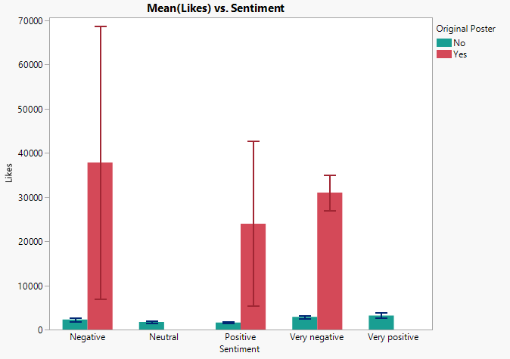
1712 | Positive | 0 | 0 |  |  |  | 7090
1017 | Undefined | 0 | 0 |  |  |  | 1226
2267 | Undefined | 0 | 0 |  |  |  | 2249
6833 | Undefined | 0 | 0 |  |  |  | 1238
9438 | Undefined | 0 | 0 |  |  |  | 40917
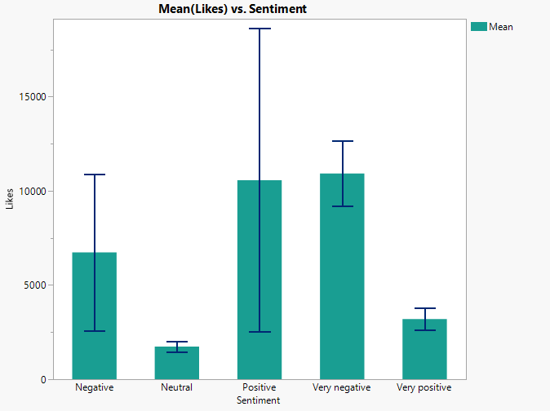
1846 | Undefined | 0 | 0 |  |  |  | 33232
1090 | Undefined | 0 | 0 |  |  |  | 7091
5151 | Undefined | 0 | 0 |  |  |  | 5661
1333 | Very negative | 0 | 0 |  |  |  | 1655
1282 | Very negative | 0 | 0 |  |  |  | 29530
3100 | Very negative | 0 | 0 |  |  |  | 1571
1969 | Very negative | 0 | 0 |  |  |  | 1155
1285 | Very negative | 0 | 0 |  |  |  | 1490
1032 | Very negative | 0 | 0 |  |  |  | 19763
1145 | Very negative | 0 | 0 |  |  |  | 43828
1539 | Very negative | 0 | 0 |  |  |  | 35349
4074 | Very negative | 0 | 0 |  |  |  | 1662
1734 | Very negative | 0 | 0 |  |  |  | 87332
1019 | Very negative | 0 | 0 |  |  |  | 9506
1230 | Very negative | 0 | 0 |  |  |  | 1598
1266 | Very negative | 0 | 0 |  |  |  | 17234
1126 | Very negative | 0 | 0 |  |  |  | 1517
1379 | Very negative | 0 | 0 |  |  |  | 4383
1563 | Very negative | 0 | 0 |  |  |  | 3093
1717 | Very negative | 0 | 0 |  |  |  | 6435
7090 | Very negative | 0 | 0 |  |  |  | 1162
1226 | Very negative | 0 | 0 |  |  |  | 59205 |  |  | Non - Poster |  |  |  |  |  | p=value
2249 | Very negative | 0 | 0 |  |  |  | 1796 |  |  | Negative | Neutral | Positive | Very Negative | Very Positive | Very Negative vs. Positive | 0.0003455661217
1238 | Very negative | 0 | 0 |  |  |  | 5917 |  |  | 1932 | 4121 | 1409 | 1333 | 1376 | Very Negative vs. Neutral | 0.0057426112837
7091 | Very negative | 0 | 0 |  |  |  | 1248 |  |  | 1897 | 1058 | 1751 | 1282 | 1007
5661 | Very negative | 0 | 0 |  |  |  | 3429 |  |  | 1807 | 1628 | 1712 | 3100 | 1333 | Very Positive vs. Positive | 0.0063514110046
1655 | Very negative | 0 | 0 |  |  |  | 2383 |  |  | 3623 | 1037 |  | 1969 | 6350 | Very Positive vs. Neutral | 0.013295326641
1571 | Very negative | 0 | 0 |  |  |  | 1103 |  |  | 2127 | 2367 |  | 1285 | 9298
1155 | Very negative | 0 | 0 |  |  |  | 3162 |  |  | 2260 | 1463 |  | 1032 | 3294
1490 | Very negative | 0 | 0 |  |  |  | 1540 |  |  | 1259 | 2095 |  | 1145 | 10280
1662 | Very negative | 0 | 0 |  |  |  | 2361 |  |  | 4133 | 2736 |  | 1539 | 1523
9506 | Very negative | 0 | 0 |  |  |  | 2485 |  |  | 1204 | 1015 |  | 4074 | 2118
1598 | Very negative | 0 | 0 |  |  |  | 1131 |  |  | 1452 | 1099 |  | 1734 | 3858
1517 | Very negative | 0 | 0 |  |  |  | 1030 |  |  | 1015 | 1134 |  | 1019 | 1743
4383 | Very negative | 0 | 0 |  |  |  | 3276 |  |  | 6768 | 1047 |  | 1230 | 3139
3093 | Very negative | 0 | 0 |  |  |  | 8081 |  |  | 1336 |  |  | 1266 | 8905
6435 | Very negative | 0 | 0 |  |  |  | 15974 |  |  | 1358 |  |  | 1126 | 1733
1162 | Very negative | 0 | 0 |  |  |  | 8224 |  |  |  |  |  | 1379 | 3897
1796 | Very negative | 0 | 0 |  |  |  | 1768 |  |  |  |  |  | 1563 | 2481
5917 | Very negative | 0 | 0 |  |  |  | 23585 |  |  |  |  |  | 1717 | 1191 |  |  | t-Test: Two-Sample Assuming Unequal Variances
1248 | Very negative | 0 | 0 |  |  |  | 1326 |  |  |  |  |  | 7090 | 1704
3429 | Very negative | 0 | 0 |  |  |  | 61511 |  |  |  |  |  | 1226 | 2692 |  |  |  | Very Negative | Positive
2383 | Very negative | 0 | 0 |  |  |  | 1613 |  |  |  |  |  | 2249 | 1383 |  |  | Mean | 2857.3098592 | 1624
1103 | Very negative | 0 | 0 |  |  |  | 1728 |  |  |  |  |  | 1238 | 1196 |  |  | Variance | 7618297.874 | 35049
3162 | Very negative | 0 | 0 |  |  |  | 9240 |  |  |  |  |  | 7091 | 1695 |  |  | Observations | 71 | 3
1540 | Very negative | 0 | 0 |  |  |  | 7170 |  |  |  |  |  | 5661 |  |  |  | Hypothesized Mean Difference | 0
2361 | Very negative | 0 | 0 |  |  |  | 1361 |  |  |  |  |  | 1655 |  |  |  | df | 61
2485 | Very negative | 0 | 0 |  |  |  | 2308 |  |  |  |  |  | 1571 |  |  |  | t Stat | 3.5754425193
1131 | Very negative | 0 | 0 |  |  |  | 2657 |  |  |  |  |  | 1155 |  |  |  | P(T<=t) one-tail | 0.0003455661217
1030 | Very negative | 0 | 0 |  |  |  | 13245 |  |  |  |  |  | 1490 |  |  |  | t Critical one-tail | 1.6702194838
3276 | Very negative | 0 | 0 |  |  |  | 1085 |  |  |  |  |  | 1662 |  |  |  | P(T<=t) two-tail | 0.0006911322434
8081 | Very negative | 0 | 0 |  |  |  | 1733 |  |  |  |  |  | 9506 |  |  |  | t Critical two-tail | 1.999623585
15974 | Very negative | 0 | 0 |  |  |  | 4071 |  |  |  |  |  | 1598
1768 | Very negative | 0 | 0 |  |  |  | 15859 |  |  |  |  |  | 1517
1326 | Very negative | 0 | 0 |  |  |  | 15197 |  |  |  |  |  | 4383
1613 | Very negative | 0 | 0 |  |  |  | 1463 |  |  |  |  |  | 3093 |  |  |  | t-Test: Two-Sample Assuming Unequal Variances
1728 | Very negative | 0 | 0 |  |  |  | 21554 |  |  |  |  |  | 6435
9240 | Very negative | 0 | 0 |  |  |  | 1572 |  |  |  |  |  | 1162 |  |  |  |  | Very Negative | Neutral
7170 | Very negative | 0 | 0 |  |  |  | 6833 |  |  |  |  |  | 1796 |  |  |  | Mean | 2857.3098592 | 1733.3333333
1361 | Very negative | 0 | 0 |  |  |  | 1168 |  |  |  |  |  | 5917 |  |  |  | Variance | 7618297.874 | 910217.69697
2308 | Very negative | 0 | 0 |  |  |  | 8993 |  |  |  |  |  | 1248 |  |  |  | Observations | 71 | 12
2657 | Very negative | 0 | 0 |  |  |  | 1244 |  |  |  |  |  | 3429 |  |  |  | Hypothesized Mean Difference | 0
1085 | Very negative | 0 | 0 |  |  |  | 1575 |  |  |  |  |  | 2383 |  |  |  | df | 49
1733 | Very negative | 0 | 0 |  |  |  | 3771 |  |  |  |  |  | 1103 |  |  |  | t Stat | 2.6263467637
4071 | Very negative | 0 | 0 |  |  |  | 10550 |  |  |  |  |  | 3162 |  |  |  | P(T<=t) one-tail | 0.0057426112837
1463 | Very negative | 0 | 0 |  |  |  | 1620 |  |  |  |  |  | 1540 |  |  |  | t Critical one-tail | 1.6765508926
1572 | Very negative | 0 | 0 |  |  |  |  |  |  |  |  |  | 2361 |  |  |  | P(T<=t) two-tail | 0.011485222567
1168 | Very negative | 0 | 0 |  |  |  |  |  |  |  |  |  | 2485 |  |  |  | t Critical two-tail | 2.0095752371
1244 | Very negative | 0 | 0 |  |  |  |  |  |  |  |  |  | 1131
1575 | Very negative | 0 | 0 |  |  |  |  |  |  |  |  |  | 1030
3771 | Very negative | 0 | 0 |  |  |  |  |  |  |  |  |  | 3276
10550 | Very negative | 0 | 0 |  |  |  |  |  |  |  |  |  | 8081
1620 | Very negative | 0 | 0 |  |  |  |  |  |  |  |  |  | 15974
1355 | Very positive | 0 | 0 |  |  |  |  |  |  |  |  |  | 1768
1376 | Very positive | 0 | 0 |  |  |  |  |  |  |  |  |  | 1326
1007 | Very positive | 0 | 0 |  |  |  |  |  |  |  |  |  | 1613
1333 | Very positive | 0 | 0 |  |  |  |  |  |  |  |  |  | 1728
6350 | Very positive | 0 | 0 |  |  |  |  |  |  |  |  |  | 9240
9298 | Very positive | 0 | 0 |  |  |  |  |  |  |  |  |  | 7170
3294 | Very positive | 0 | 0 |  |  |  |  |  |  |  |  |  | 1361
10280 | Very positive | 0 | 0 |  |  |  |  |  |  |  |  |  | 2308
1523 | Very positive | 0 | 0 |  |  |  |  |  |  |  |  |  | 2657
2118 | Very positive | 0 | 0 |  |  |  |  |  |  |  |  |  | 1085
3858 | Very positive | 0 | 0 |  |  |  |  |  |  |  |  |  | 1733
1743 | Very positive | 0 | 0 |  |  |  |  |  |  |  |  |  | 4071
3139 | Very positive | 0 | 0 |  |  |  |  |  |  |  |  |  | 1463
8905 | Very positive | 0 | 0 |  |  |  |  |  |  |  |  |  | 1572
1733 | Very positive | 0 | 0 |  |  |  |  |  |  |  |  |  | 1168
3897 | Very positive | 0 | 0 |  |  |  |  |  |  |  |  |  | 1244
2481 | Very positive | 0 | 0 |  |  |  |  |  |  |  |  |  | 1575
1191 | Very positive | 0 | 0 |  |  |  |  |  |  |  |  |  | 3771
1704 | Very positive | 0 | 0 |  |  |  |  |  |  |  |  |  | 10550
2692 | Very positive | 0 | 0 |  |  |  |  |  |  |  |  |  | 1620
1383 | Very positive | 0 | 0 |  |  |  |  |  |  |  |  |  | 1355
1196 | Very positive | 0 | 0
1695 | Very positive | 0 | 0

23342 | Very negative | 1 | 199
16063 | Very negative | 1 | 196
73362 | Very negative | 1 | 195
29031 | Very negative | 1 | 195
44733 | Very negative | 1 | 198
1916 | Very negative | 1 | 201
30740 | Very negative | 1 | 193
9656 | Very negative | 1 | 197
46136 | Very negative | 1 | 191
52495 | Very negative | 1 | 191
40917 | Very negative | 1 | 185
33232 | Very negative | 1 | 195
29530 | Very negative | 1 | 200
6993 | Negative | 1 | 191
68658 | Negative | 1 | 196
19763 | Very negative | 1 | 100
43828 | Very negative | 1 | 199
35349 | Very negative | 1 | 194
87332 | Very negative | 1 | 198
17234 | Very negative | 1 | 193
42623 | Positive | 1 | 199
59205 | Very negative | 1 | 199
8224 | Very negative | 1 | 195
23585 | Very negative | 1 | 196
61511 | Very negative | 1 | 199
13245 | Very negative | 1 | 195
15859 | Very negative | 1 | 198
15197 | Very negative | 1 | 196
21554 | Very negative | 1 | 196
5366 | Positive | 1 | 198
6833 | Very negative | 1 | 196
8993 | Very negative | 1 | 200

Aggressive ADJ Proportion
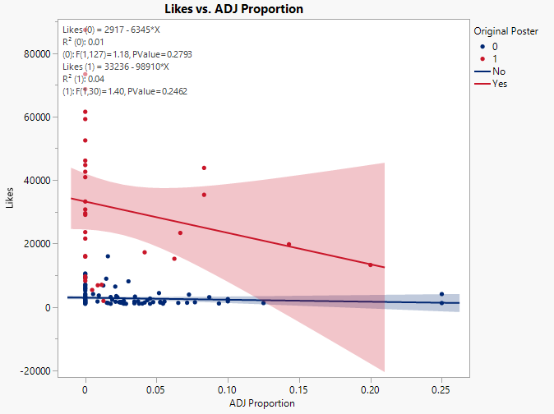
Likes | Porportion | Is OG |  | OG | Mean | Grand Mean
13245 | 0.2 | 1 | 1 | ADJ proportion | 17187.818182 | 8404.068323
19763 | 0.14285714286 | 1 | 2 | None | 38259
43828 | 0.083333333333 | 1 | 3
35349 | 0.083333333333 | 1 | 4 | Non OG | Mean
23342 | 0.066666666667 | 1 | 5 | ADJ Proportion | 2670.0588235
15197 | 0.0625 | 1 | 6 | None | 2876.6282051
17234 | 0.041666666667 | 1 | 7
1916 | 0.012765957447 | 1 | 8
6993 | 0.011494252874 | 1 | 9
6833 | 0.0087719298246 | 1 | 10 |  |  | 63 | 0.39130434783
5366 | 0.0048309178744 | 1 | 11
16063 | 0 | 1 | 12
73362 | 0 | 1 | 13
29031 | 0 | 1 | 14
44733 | 0 | 1 | 15
30740 | 0 | 1 | 16
9656 | 0 | 1 | 17
46136 | 0 | 1 | 18
52495 | 0 | 1 | 19
40917 | 0 | 1 | 20
33232 | 0 | 1 | 21
29530 | 0 | 1 | 22
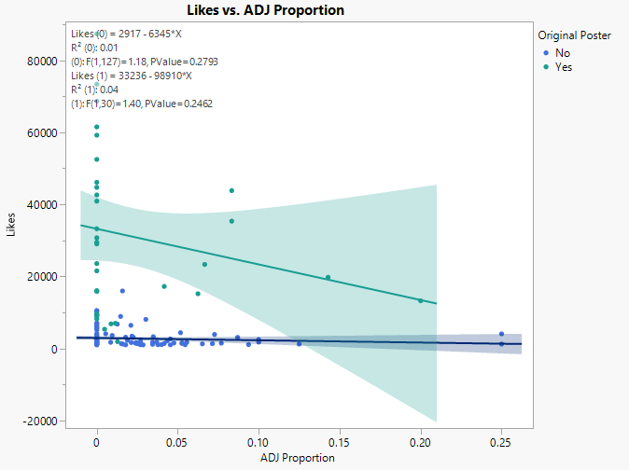
68658 | 0 | 1 | 23
87332 | 0 | 1 | 24
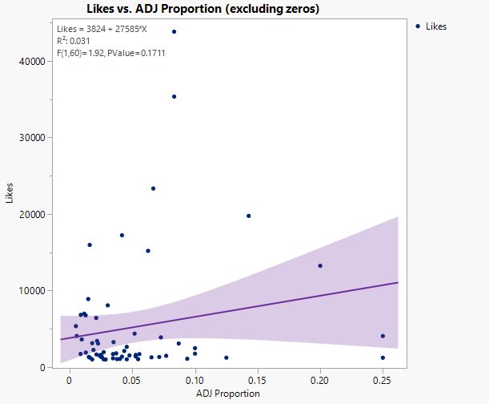
42623 | 0 | 1 | 25
59205 | 0 | 1 | 26
8224 | 0 | 1 | 27
23585 | 0 | 1 | 28
61511 | 0 | 1 | 29
15859 | 0 | 1 | 30
21554 | 0 | 1 | 31
8993 | 0 | 1 | 32
1238 | 0.25 | 0 | 33
4071 | 0.25 | 0 | 34
1244 | 0.125 | 0 | 35
2485 | 0.1 | 0 | 36
1768 | 0.1 | 0 | 37
1103 | 0.09375 | 0 | 38
3100 | 0.086956521739 | 0 | 39
1490 | 0.076923076923 | 0 | 40
3897 | 0.072727272727 | 0 | 41
1333 | 0.071428571429 | 0 | 42
1285 | 0.065217391304 | 0 | 43
1712 | 0.055555555556 | 0 | 44
1047 | 0.054545454545 | 0 | 45
1409 | 0.052631578947 | 0 | 46
1598 | 0.052631578947 | 0 | 47
4383 | 0.051724137931 | 0 | 48
1540 | 0.047619047619 | 0 | 49
1030 | 0.045454545455 | 0 | 50
2657 | 0.045454545455 | 0 | 51
2118 | 0.04347826087 | 0 | 52
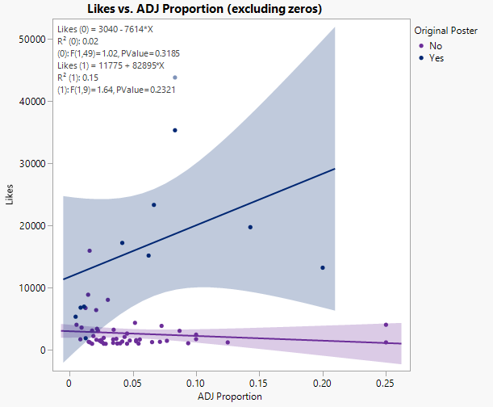
1383 | 0.041666666667 | 0 | 53
1085 | 0.04 | 0 | 54
1058 | 0.037735849057 | 0 | 55
1807 | 0.037037037037 | 0 | 56
3276 | 0.03488372093 | 0 | 57
1717 | 0.034482758621 | 0 | 58
1162 | 0.034482758621 | 0 | 59
8081 | 0.030303030303 | 0 | 60
1015 | 0.028571428571 | 0 | 61
1969 | 0.027027027027 | 0 | 62
1032 | 0.027027027027 | 0 | 63
1326 | 0.025641025641 | 0 | 64
1355 | 0.025 | 0 | 65
1613 | 0.025 | 0 | 66
1571 | 0.024390243902 | 0 | 67
1517 | 0.02380952381 | 0 | 68
3093 | 0.022556390977 | 0 | 69
3429 | 0.021739130435 | 0 | 70
1662 | 0.021276595745 | 0 | 71
6435 | 0.021052631579 | 0 | 72
2260 | 0.018867924528 | 0 | 73
1019 | 0.017857142857 | 0 | 74
3139 | 0.017857142857 | 0 | 75
1248 | 0.016042780749 | 0 | 76
15974 | 0.015873015873 | 0 | 77
1336 | 0.015151515152 | 0 | 78
8905 | 0.014705882353 | 0 | 79
6768 | 0.012658227848 | 0 | 80
3623 | 0.0095238095238 | 0 | 81
1733 | 0.0085959885387 | 0 | 82
4074 | 0.0055248618785 | 0 | 83
1282 | 0 | 0 | 84
1932 | 0 | 0 | 85
1897 | 0 | 0 | 86
1145 | 0 | 0 | 87
4121 | 0 | 0 | 88
1539 | 0 | 0 | 89
1734 | 0 | 0 | 90
1376 | 0 | 0 | 91
1230 | 0 | 0 | 92
1007 | 0 | 0 | 93
1017 | 0 | 0 | 94
1628 | 0 | 0 | 95
1266 | 0 | 0 | 96
1126 | 0 | 0 | 97
1379 | 0 | 0 | 98
1333 | 0 | 0 | 99
1563 | 0 | 0 | 100
7090 | 0 | 0 | 101
1751 | 0 | 0 | 102
1226 | 0 | 0 | 103
6350 | 0 | 0 | 104
2249 | 0 | 0 | 105
1037 | 0 | 0 | 106
7091 | 0 | 0 | 107
9298 | 0 | 0 | 108
2367 | 0 | 0 | 109
5661 | 0 | 0 | 110
1655 | 0 | 0 | 111
3294 | 0 | 0 | 112
2127 | 0 | 0 | 113
1155 | 0 | 0 | 114
1463 | 0 | 0 | 115
1259 | 0 | 0 | 116
4133 | 0 | 0 | 117
10280 | 0 | 0 | 118
2267 | 0 | 0 | 119
1204 | 0 | 0 | 120
1523 | 0 | 0 | 121
3858 | 0 | 0 | 122
1452 | 0 | 0 | 123
9506 | 0 | 0 | 124
6833 | 0 | 0 | 125
1743 | 0 | 0 | 126
2095 | 0 | 0 | 127
2736 | 0 | 0 | 128
1796 | 0 | 0 | 129
5917 | 0 | 0 | 130
1015 | 0 | 0 | 131
2383 | 0 | 0 | 132
3162 | 0 | 0 | 133
2361 | 0 | 0 | 134
9438 | 0 | 0 | 135
1131 | 0 | 0 | 136
1733 | 0 | 0 | 137
1728 | 0 | 0 | 138
9240 | 0 | 0 | 139
2481 | 0 | 0 | 140
1099 | 0 | 0 | 141
1846 | 0 | 0 | 142
7170 | 0 | 0 | 143
1361 | 0 | 0 | 144
2308 | 0 | 0 | 145
1134 | 0 | 0 | 146
1191 | 0 | 0 | 147
1704 | 0 | 0 | 148
1358 | 0 | 0 | 149
1463 | 0 | 0 | 150
1572 | 0 | 0 | 151
2692 | 0 | 0 | 152
1090 | 0 | 0 | 153
1168 | 0 | 0 | 154
5151 | 0 | 0 | 155
1196 | 0 | 0 | 156
1575 | 0 | 0 | 157
1695 | 0 | 0 | 158
3771 | 0 | 0 | 159
10550 | 0 | 0 | 160
1620 | 0 | 0 | 161

All about Poster
Sentiment | Is OG | Total Comments | Profanity Score | Toxicity Label | Likes
Very negative | 1 | 199 | 0.067852503 | 1 | 23342
Very negative | 1 | 196 | 0.017501613 | 0 | 16063
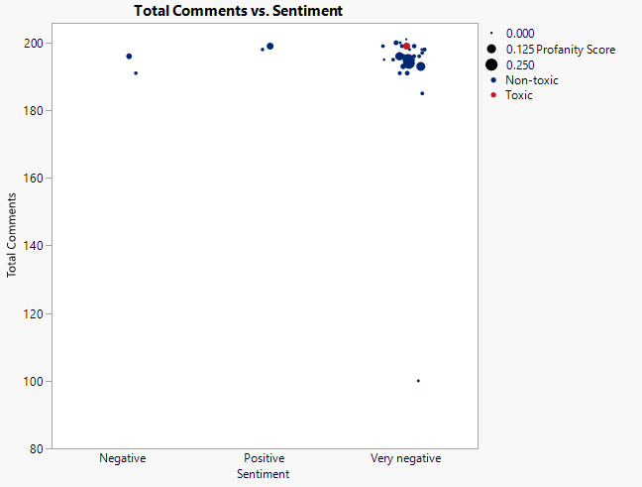
Very negative | 1 | 195 | 0.010717796 | 0 | 73362
Very negative | 1 | 195 | 0.002154736 | 0 | 29031
Very negative | 1 | 198 | 0.014029244 | 0 | 44733
Very negative | 1 | 201 | 0.000374727 | 0 | 1916
Very negative | 1 | 193 | 0.034672489 | 0 | 30740
Very negative | 1 | 197 | 0.010803258 | 0 | 9656
Very negative | 1 | 191 | 0.019849708 | 0 | 46136
Very negative | 1 | 191 | 0.014675677 | 0 | 52495
Very negative | 1 | 185 | 0.011554297 | 0 | 40917
Very negative | 1 | 195 | 0.005841289 | 0 | 33232
Very negative | 1 | 200 | 0.023774939 | 0 | 29530
Negative | 1 | 191 | 0.009317761 | 0 | 6993
Negative | 1 | 196 | 0.038346768 | 0 | 68658
Very negative | 1 | 100 | 0.003578849 | 0 | 19763
Very negative | 1 | 199 | 0.013174816 | 0 | 43828
Very negative | 1 | 194 | 0.229567503 | 0 | 35349
Very negative | 1 | 198 | 0.002858873 | 0 | 87332
Very negative | 1 | 193 | 0.123541009 | 0 | 17234
Positive | 1 | 199 | 0.060235461 | 0 | 42623
Very negative | 1 | 199 | 0.01071424 | 0 | 59205
Very negative | 1 | 195 | 0.001369747 | 0 | 8224
Very negative | 1 | 196 | 0.014128974 | 0 | 23585
Very negative | 1 | 199 | 0.018780307 | 0 | 61511
Very negative | 1 | 195 | 0.214250618 | 0 | 13245
Very negative | 1 | 198 | 0.00420923 | 0 | 15859
Very negative | 1 | 196 | 0.011554926 | 0 | 15197
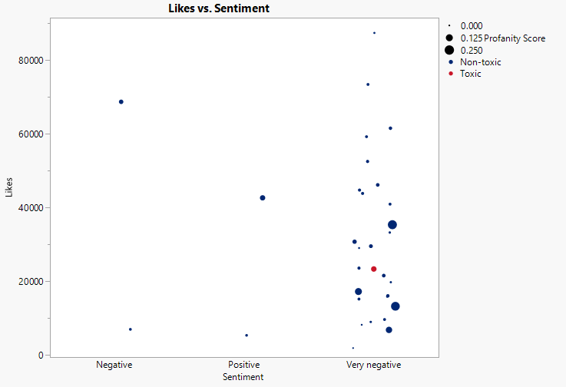
Very negative | 1 | 196 | 0.020887712 | 0 | 21554
Positive | 1 | 198 | 0.008243897 | 0 | 5366
Very negative | 1 | 196 | 0.098789624 | 0 | 6833
Very negative | 1 | 200 | 0.004832817 | 0 | 8993

Likes
Likes | Is OG
1333 | No
1282 | No
1355 | No
3100 | No
1969 | No
1285 | No
1032 | No
1932 | No
1897 | No
1145 | No
4121 | No
1058 | No
1807 | No
1539 | No
4074 | No
1734 | No
1019 | No
1376 | No
1230 | No
1409 | No
1007 | No
1017 | No
1628 | No
1266 | No
1126 | No
1379 | No
1333 | No
1563 | No
3623 | No
1717 | No
7090 | No
1751 | No
1226 | No
6350 | No
2249 | No
1238 | No
1037 | No
7091 | No
9298 | No
2367 | No
5661 | No
1655 | No
1571 | No
3294 | No
2127 | No
1712 | No
1155 | No
2260 | No
1463 | No
1259 | No
1490 | No
4133 | No
10280 | No
2267 | No
1204 | No
1523 | No
2118 | No
3858 | No
1662 | No
1452 | No
9506 | No
1015 | No
1598 | No
6833 | No
1743 | No
1517 | No
4383 | No
3093 | No
6435 | No
2095 | No
1162 | No
3139 | No
2736 | No
1796 | No
5917 | No
1015 | No
6768 | No
1248 | No
3429 | No
2383 | No
1103 | No
8905 | No
1336 | No
3162 | No
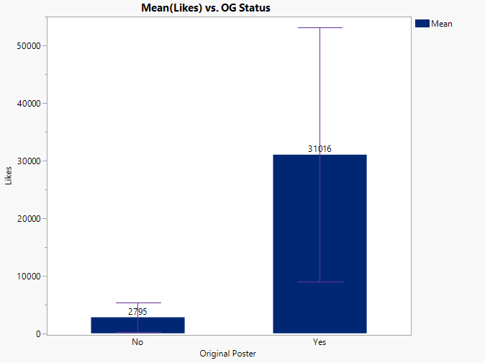
1540 | No
2361 | No
9438 | No
2485 | No
1131 | No
1030 | No
3276 | No
8081 | No
15974 | No
1768 | No
1733 | No
3897 | No
1326 | No
1613 | No
1728 | No
9240 | No
2481 | No
1099 | No
1846 | No
7170 | No
1361 | No
2308 | No
1134 | No
2657 | No
1085 | No
1733 | No
1191 | No
4071 | No
1704 | No
1358 | No
1463 | No
1572 | No
2692 | No
1383 | No
1090 | No
1168 | No
1244 | No
5151 | No
1196 | No
1575 | No
1695 | No
3771 | No
10550 | No
1620 | No
1047 | No
23342 | Yes
16063 | Yes
73362 | Yes
29031 | Yes
44733 | Yes
1916 | Yes
30740 | Yes
9656 | Yes
46136 | Yes
52495 | Yes
40917 | Yes
33232 | Yes
29530 | Yes
6993 | Yes
68658 | Yes
19763 | Yes
43828 | Yes
35349 | Yes
87332 | Yes
17234 | Yes
42623 | Yes
59205 | Yes
8224 | Yes
23585 | Yes
61511 | Yes
13245 | Yes
15859 | Yes
15197 | Yes
21554 | Yes
5366 | Yes
6833 | Yes
8993 | Yes

All about Non Poster
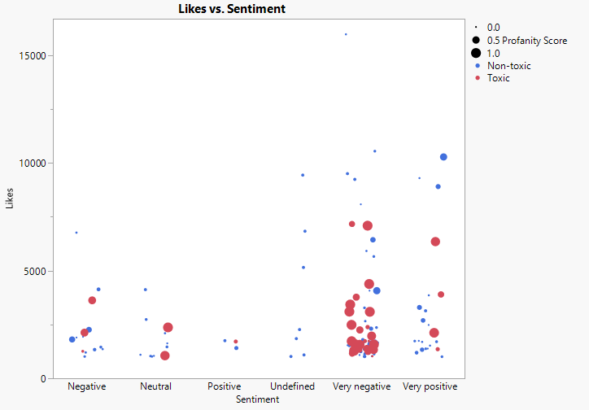
Sentiment | Is OG | Profanity Score | Toxicity Label | Likes | Sentiment | Comments | Mean Likes | p-value
Very negative | 0 | 0.005755133 | 0 | 1032 | Very negative | Non-Toxic | 2984.3777778 | 0.058100010067
Negative | 0 | 0.003322804 | 0 | 1932 | Negative | Toxic | 2357.8461538
Negative | 0 | 0.002534498 | 0 | 1897 | Negative
Neutral | 0 | 0.045823151 | 0 | 4121 | Neutral | Poster | Mean Likes
Negative | 0 | 0.313576149 | 0 | 1807 | Negative | Non-Toxic
Very negative | 0 | 0.004575688 | 0 | 1539 | Very negative | Toxic
Very negative | 0 | 0.003689383 | 0 | 4074 | Very negative
Very negative | 0 | 0.064129788 | 0 | 1019 | Very negative
Very positive | 0 | 0.026387705 | 0 | 1376 | Very positive
Positive | 0 | 0.101405118 | 0 | 1409 | Positive
Very positive | 0 | 0.02946206 | 0 | 1007 | Very positive
Undefined | 0 | 0.045592694 | 0 | 1017 | Undefined
Neutral | 0 | 0.005116533 | 0 | 1628 | Neutral
Very negative | 0 | 0.013229061 | 0 | 1266 | Very negative
Very negative | 0 | 0.022499982 | 0 | 1126 | Very negative
Very positive | 0 | 0.122427117 | 0 | 1333 | Very positive
Very negative | 0 | 0.08264071 | 0 | 1717 | Very negative
Positive | 0 | 0.045357566 | 0 | 1751 | Positive
Very negative | 0 | 0.023292129 | 0 | 1226 | Very negative
Very negative | 0 | 0.039309794 | 0 | 1238 | Very negative
Neutral | 0 | 0.020217474 | 0 | 1037 | Neutral
Very negative | 0 | 0.009657097 | 0 | 7091 | Very negative
Very positive | 0 | 0.006643997 | 0 | 9298 | Very positive
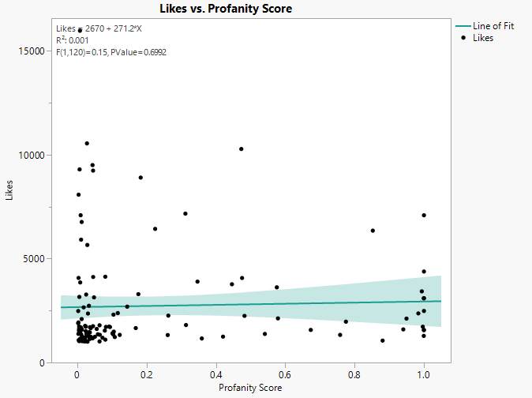
Very negative | 0 | 0.028986445 | 0 | 5661 | Very negative
Very negative | 0 | 0.038649544 | 0 | 1655 | Very negative
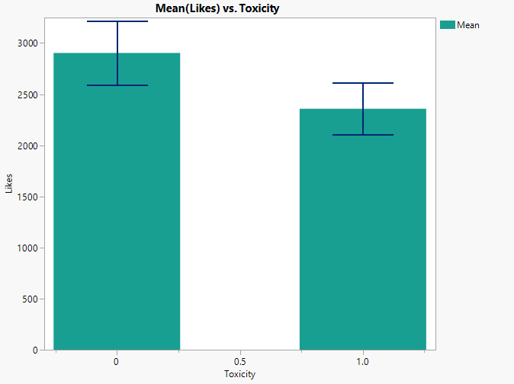
Very negative | 0 | 0.673446647 | 0 | 1571 | Very negative
Very positive | 0 | 0.176140884 | 0 | 3294 | Very positive
Very negative | 0 | 0.013697775 | 0 | 1155 | Very negative
Negative | 0 | 0.26254262 | 0 | 2260 | Negative
Neutral | 0 | 0.033888445 | 0 | 1463 | Neutral
Very negative | 0 | 0.105214937 | 0 | 1490 | Very negative
Negative | 0 | 0.080801123 | 0 | 4133 | Negative
Very positive | 0 | 0.473100954 | 0 | 10280 | Very positive
Undefined | 0 | 0.045592694 | 0 | 2267 | Undefined
Negative | 0 | 0.015226149 | 0 | 1204 | Negative
Very positive | 0 | 0.008137963 | 0 | 1523 | Very positive
Very positive | 0 | 0.008419776 | 0 | 3858 | Very positive
Very negative | 0 | 0.168595691 | 0 | 1662 | Very negative
Negative | 0 | 0.036115695 | 0 | 1452 | Negative
Very negative | 0 | 0.04390217 | 0 | 9506 | Very negative
Negative | 0 | 0.021396109 | 0 | 1015 | Negative
Undefined | 0 | 0.045592694 | 0 | 6833 | Undefined
Very positive | 0 | 0.005185145 | 0 | 1743 | Very positive
Very negative | 0 | 0.224602158 | 0 | 6435 | Very negative
Neutral | 0 | 0.012625897 | 0 | 2095 | Neutral
Very positive | 0 | 0.048226464 | 0 | 3139 | Very positive
Neutral | 0 | 0.033534201 | 0 | 2736 | Neutral
Very negative | 0 | 0.064267328 | 0 | 1796 | Very negative
Very negative | 0 | 0.010999372 | 0 | 5917 | Very negative
Neutral | 0 | 0.014516178 | 0 | 1015 | Neutral
Negative | 0 | 0.012673986 | 0 | 6768 | Negative
Very positive | 0 | 0.182858074 | 0 | 8905 | Very positive
Negative | 0 | 0.064885971 | 0 | 1336 | Negative
Very negative | 0 | 0.005894205 | 0 | 3162 | Very negative
Very negative | 0 | 0.079345743 | 0 | 1540 | Very negative
Very negative | 0 | 0.030715736 | 0 | 2361 | Very negative
Undefined | 0 | 0.045592694 | 0 | 9438 | Undefined
Very negative | 0 | 0.009393431 | 0 | 1131 | Very negative
Very negative | 0 | 0.025616932 | 0 | 3276 | Very negative
Very negative | 0 | 0.003844173 | 0 | 8081 | Very negative
Very negative | 0 | 0.007664946 | 0 | 15974 | Very negative
Very negative | 0 | 0.022461739 | 0 | 1768 | Very negative
Very positive | 0 | 0.024305156 | 0 | 1733 | Very positive
Very negative | 0 | 0.012315151 | 0 | 1613 | Very negative
Very negative | 0 | 0.045548549 | 0 | 9240 | Very negative
Very positive | 0 | 0.002751197 | 0 | 2481 | Very positive
Neutral | 0 | 0.008526249 | 0 | 1099 | Neutral
Undefined | 0 | 0.045592694 | 0 | 1846 | Undefined
Very negative | 0 | 0.059405946 | 0 | 1361 | Very negative
Very negative | 0 | 0.104352575 | 0 | 2308 | Very negative
Neutral | 0 | 0.035629804 | 0 | 1134 | Neutral
Very negative | 0 | 0.018304407 | 0 | 2657 | Very negative
Very negative | 0 | 0.004131769 | 0 | 1085 | Very negative
Very positive | 0 | 0.039739516 | 0 | 1191 | Very positive
Very negative | 0 | 0.475325308 | 0 | 4071 | Very negative
Very positive | 0 | 0.036460484 | 0 | 1704 | Very positive
Negative | 0 | 0.011430923 | 0 | 1358 | Negative
Very negative | 0 | 0.007561845 | 0 | 1463 | Very negative
Very positive | 0 | 0.143941407 | 0 | 2692 | Very positive
Very positive | 0 | 0.003112429 | 0 | 1383 | Very positive
Undefined | 0 | 0.045592694 | 0 | 1090 | Undefined
Very negative | 0 | 0.044227014 | 0 | 1168 | Very negative
Very negative | 0 | 0.050729059 | 0 | 1244 | Very negative
Undefined | 0 | 0.045592694 | 0 | 5151 | Undefined
Very positive | 0 | 0.072654731 | 0 | 1196 | Very positive
Very negative | 0 | 0.012864105 | 0 | 1575 | Very negative
Very positive | 0 | 0.010116294 | 0 | 1695 | Very positive
Very negative | 0 | 0.02786987 | 0 | 10550 | Very negative
Very negative | 0 | 0.056065245 | 0 | 1620 | Very negative
Neutral | 0 | 0.004999874 | 0 | 1047 | Neutral
Very negative | 0 | 0.758129336 | 1 | 1333 | Very negative
Very negative | 0 | 0.032928226 | 1 | 1282 | Very negative
Very positive | 0 | 0.103714324 | 1 | 1355 | Very positive
Very negative | 0 | 0.999958106 | 1 | 3100 | Very negative
Very negative | 0 | 0.77492137 | 1 | 1969 | Very negative
Very negative | 0 | 0.999483331 | 1 | 1285 | Very negative
Very negative | 0 | 0.007970144 | 1 | 1145 | Very negative
Neutral | 0 | 0.880744715 | 1 | 1058 | Neutral
Very negative | 0 | 0.02415071 | 1 | 1734 | Very negative
Very negative | 0 | 0.108062792 | 1 | 1230 | Very negative
Very negative | 0 | 0.541045202 | 1 | 1379 | Very negative
Very negative | 0 | 0.999988556 | 1 | 1563 | Very negative
Negative | 0 | 0.575552232 | 1 | 3623 | Negative
Very negative | 0 | 0.999997599 | 1 | 7090 | Very negative
Very positive | 0 | 0.852427956 | 1 | 6350 | Very positive
Very negative | 0 | 0.482320859 | 1 | 2249 | Very negative
Neutral | 0 | 0.983726591 | 1 | 2367 | Neutral
Negative | 0 | 0.578824947 | 1 | 2127 | Negative
Positive | 0 | 0.094370349 | 1 | 1712 | Positive
Negative | 0 | 0.034611486 | 1 | 1259 | Negative
Very positive | 0 | 0.949542649 | 1 | 2118 | Very positive
Very negative | 0 | 0.940359671 | 1 | 1598 | Very negative
Very negative | 0 | 0.024299918 | 1 | 1517 | Very negative
Very negative | 0 | 0.999947399 | 1 | 4383 | Very negative
Very negative | 0 | 0.999585084 | 1 | 3093 | Very negative
Very negative | 0 | 0.359196273 | 1 | 1162 | Very negative
Very negative | 0 | 0.420393188 | 1 | 1248 | Very negative
Very negative | 0 | 0.993771125 | 1 | 3429 | Very negative
Very negative | 0 | 0.116801612 | 1 | 2383 | Very negative
Very negative | 0 | 0.08100504 | 1 | 1103 | Very negative
Very negative | 0 | 0.999999948 | 1 | 2485 | Very negative
Very negative | 0 | 0.014114116 | 1 | 1030 | Very negative
Very positive | 0 | 0.346752745 | 1 | 3897 | Very positive
Very negative | 0 | 0.260884204 | 1 | 1326 | Very negative
Very negative | 0 | 0.996654678 | 1 | 1728 | Very negative
Very negative | 0 | 0.311781623 | 1 | 7170 | Very negative
Very negative | 0 | 0.091659988 | 1 | 1733 | Very negative
Very negative | 0 | 0.999623986 | 1 | 1572 | Very negative
Very negative | 0 | 0.446043811 | 1 | 3771 | Very negative

Very negative | 1 | 0.067852503 | 1 | 23342 | Very negative
Very negative | 1 | 0.017501613 | 0 | 16063 | Very negative
Very negative | 1 | 0.010717796 | 0 | 73362 | Very negative
Very negative | 1 | 0.002154736 | 0 | 29031 | Very negative
Very negative | 1 | 0.014029244 | 0 | 44733 | Very negative
Very negative | 1 | 0.000374727 | 0 | 1916 | Very negative
Very negative | 1 | 0.034672489 | 0 | 30740 | Very negative
Very negative | 1 | 0.010803258 | 0 | 9656 | Very negative
Very negative | 1 | 0.019849708 | 0 | 46136 | Very negative
Very negative | 1 | 0.014675677 | 0 | 52495 | Very negative
Very negative | 1 | 0.011554297 | 0 | 40917 | Very negative
Very negative | 1 | 0.005841289 | 0 | 33232 | Very negative
Very negative | 1 | 0.023774939 | 0 | 29530 | Very negative
Negative | 1 | 0.009317761 | 0 | 6993 | Negative
Negative | 1 | 0.038346768 | 0 | 68658 | Negative
Very negative | 1 | 0.003578849 | 0 | 19763 | Very negative
Very negative | 1 | 0.013174816 | 0 | 43828 | Very negative
Very negative | 1 | 0.229567503 | 0 | 35349 | Very negative
Very negative | 1 | 0.002858873 | 0 | 87332 | Very negative
Very negative | 1 | 0.123541009 | 0 | 17234 | Very negative
Positive | 1 | 0.060235461 | 0 | 42623 | Positive
Very negative | 1 | 0.01071424 | 0 | 59205 | Very negative
Very negative | 1 | 0.001369747 | 0 | 8224 | Very negative
Very negative | 1 | 0.014128974 | 0 | 23585 | Very negative
Very negative | 1 | 0.018780307 | 0 | 61511 | Very negative
Very negative | 1 | 0.214250618 | 0 | 13245 | Very negative
Very negative | 1 | 0.00420923 | 0 | 15859 | Very negative
Very negative | 1 | 0.011554926 | 0 | 15197 | Very negative
Very negative | 1 | 0.020887712 | 0 | 21554 | Very negative
Positive | 1 | 0.008243897 | 0 | 5366 | Positive
Very negative | 1 | 0.098789624 | 0 | 6833 | Very negative
Very negative | 1 | 0.004832817 | 0 | 8993 | Very negative

